Sheet1
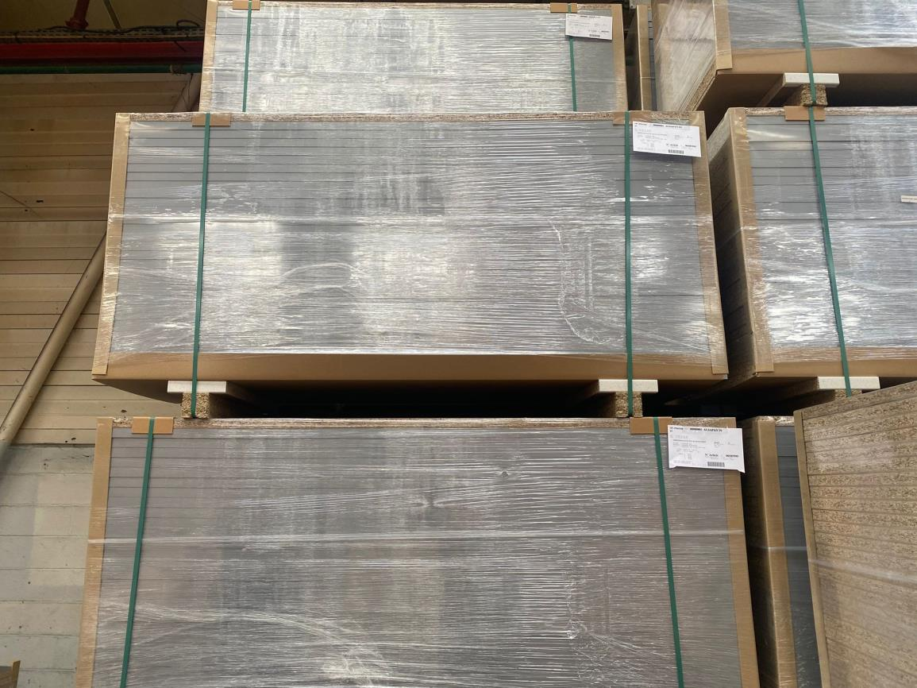
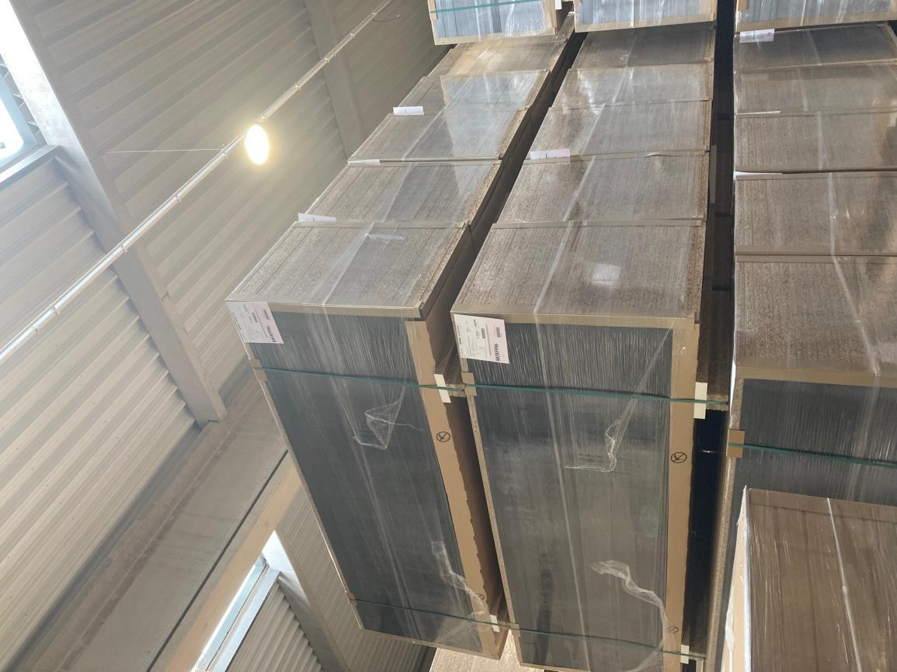
Picture | Item code | Description | Extra information | Restriction | Stock | Sales price EXW | Retail price | Barcode | Quantity PU | Quantity pallet | Pallet | Origin | Customs code | Item weight | Languages on package | Group
 | S-10227 | kitchen countertop, concrete grey, 1860x635x28 cm, front edge, no edge on the side or on the back |  |  | 3074 | 10.9 |  | no ean |  | 30 |  |  | 6802999090 |  |  | kitchen countertop
 | S-10226 | kitchen countertop, anthracite grey, 2460x635x28 cm, front edge, no edge on the side or on the back |  |  | 690 | 12.9 |  | no ean |  | 30 |  |  | 6802999090 |  |  | kitchen countertop

